Table 1

Selected Acquisition Report (SAR)
RCS: DD-A&T(Q&A)823-284

Joint Tactical Networks (JTN)
As of FY 2016 President's Budget
Defense Acquisition Management Information Retrieval
(DAMIR)

Table 11
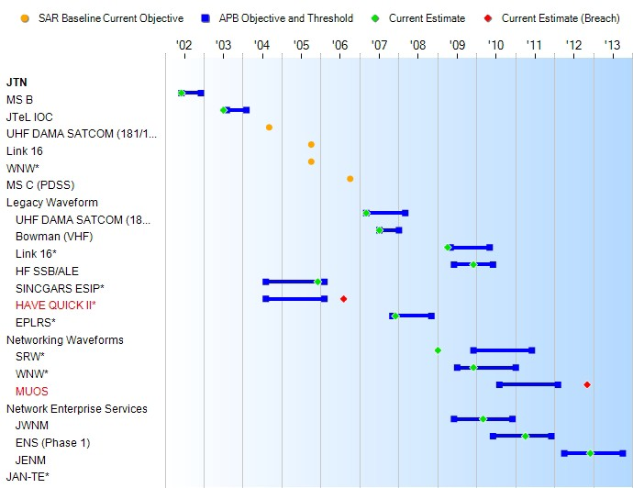
Schedule

Table 33
Unit Cost History
Item |  |  |  |  | Date |  |  | BY 2002 $M |  |  |  |  |  | TY $M
 |  |  |  |  |  |  |  | PAUC |  |  | APUC |  |  | PAUC |  |  | APUC

Original APB |  |  | Jun 2002 |  |  |  |  | N/A |  |  |  | N/A |  |  | N/A |  |  | N/A
APB as of January 2006 |  |  | Jun 2002 |  |  |  |  | N/A |  |  |  | N/A |  |  | N/A |  |  | N/A
Revised Original APB |  |  | N/A |  |  |  |  | N/A |  |  |  | N/A |  |  | N/A |  |  | N/A
Prior APB |  |  | Jan 2008 |  |  |  |  | N/A |  |  |  | N/A |  |  | N/A |  |  | N/A
Current APB |  |  | Dec 2009 |  |  |  |  | N/A |  |  |  | N/A |  |  | N/A |  |  | N/A
Prior Annual SAR |  |  | Dec 2013 |  |  |  |  | N/A |  |  |  | N/A |  |  | N/A |  |  | N/A
Current Estimate |  |  | Dec 2014 |  |  |  |  | N/A |  |  |  | N/A |  |  | N/A |  |  | N/A
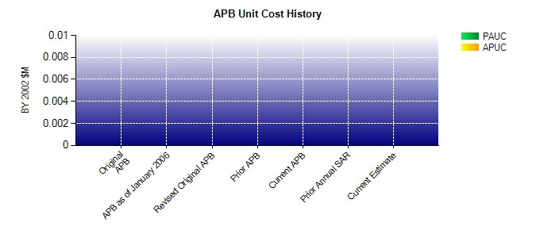
SAR Unit Cost History
Current SAR Baseline to Current Estimate (TY $M)
Initial PAUC Development Estimate | Changes |  |  |  |  |  |  |  |  |  |  |  |  |  |  | PAUC Current Estimate
 | Econ | Qty |  | Sch |  | Eng | Est |  | Oth | Spt |  |  | Total
0.000 -- -- -- -- -- -- -- -- 0.000
A PAUC Unit Cost History is not available, since no Initial PAUC Estimate had been calculated due to a lack of defined quantities.

